Exam
Outcomes on Points
 | Recruiter Total | Candidate total
 | 0 | 0
 | 6630 | 7030
 | 7480 | 7200
 | 5340 | 8360
 | 6620 | 7880
 | 0 | 0
 | 0 | 0
 | 6980 | 7340
 | 6810 | 6690
 | 0 | 0
 | 0 | 0
 | 7320 | 7200
 | 0 | 0
 | 0 | 0
 | 0 | 0
 | 0 | 0
 | 0 | 0
 | 6810 | 6690
 | 0 | 0
 | 0 | 0
 | 6130 | 6530
 | 7140 | 7200
 | 6770 | 7750
 | 0 | 0
 | 7120 | 7240
 | 6300 | 7700
 | 6980 | 7700
 | 5280 | 8880
 | 6710 | 7330
 | 0 | 0
 | 7680 | 6500
 | 7350 | 6490
 | 5800 | 8340
 | 7700 | 6980
 | 0 | 0
 | 6640 | 7560
 | 0 | 0
 | 7210 | 6970
 | 7570 | 6950
 | 6980 | 7700
 | 7570 | 6790
 | 7650 | 7030
 | 7640 | 6860
 | 0 | 0
 | 0 | 0
 | 5900 | 7960
 | 7650 | 7030
 | 0 | 0
 | 6880 | 7300
 | 0 | 0
...
Negotiation Pair | JoiningCompany | Base pay and bonus | Holidays | Office location | Health Insurance Coverage | Team size | Start date | Subsidy for MBA/training | Flex time | Recruiter Total | Candidate total | JointValue | RecruiterRelationshipRating | CandidateRelationshipRating
1
2 | Yes | 36000 | 3 weeks | old city (4 hours commute) | candidate + 4 family members | 5 team members to manage | 3 months from today | 5% of base pay + 2 year obligation to work post-graduation | 2 days / week | 6630 | 7030 | 13660 | 6 | 6
3 | Yes | 30000 | 5 weeks | new city (2 hour commute) | candidate + 4 family members | 5 team members to manage | 4 months from today | 1% of base pay | 1 day / week | 7480 | 7200 | 14680 | 7 | 7
4 | Yes | 39000 | 5 weeks | new city (2 hour commute) | candidate + 4 family members | 4 team members to manage | 4 months from today | 1% of base pay | 3 days / week | 5340 | 8360 | 13700 | 7 | 7
5 | Yes | 36000 | 5 weeks | new city (2 hour commute) | candidate + 4 family members | 5 team members to manage | 2 weeks from today | 3% of base pay | 1 day / week | 6620 | 7880 | 14500 | 5 | 7
6
7
8 | Yes | 36000 | 5 weeks | old city (4 hours commute) | candidate + 4 family members | 5 team members to manage | 4 months from today | 5% of base pay + 4 year obligation to work post-graduation | 1 day / week | 6980 | 7340 | 14320 | 7 | 7
9 | Yes | 39000 | 5 weeks | old city (4 hours commute) | candidate + 3 family members | 4 team members to manage | 1 month from today | 3% of base pay | 2 days / week | 6810 | 6690 | 13500 | 6 | 6
10
11
12 | Yes | 39000 | 4 weeks | old city (4 hours commute) | candidate + 4 family members | 5 team members to manage | 4 months from today | 1% of base pay | 1 day / week | 7320 | 7200 | 14520 | 7 | 7
13
14
15
16
17
18 | Yes | 39000 | 5 weeks | old city (4 hours commute) | candidate + 3 family members | 4 team members to manage | 1 month from today | 3% of base pay | 2 days / week | 6810 | 6690 | 13500 | 6 | 6
19
20
21 | Yes | 36000 | 5 weeks | old city (4 hours commute) | candidate + 4 family members | 3 team members to manage | 2 weeks from today | 5% of base pay + 2 year obligation to work post-graduation | 2 days / week | 6130 | 6530 | 12660 | 7 | 6
22 | Yes | 33000 | 4 weeks | new city (2 hour commute) | candidate + 4 family members | 5 team members to manage | 2 weeks from today | 3% of base pay | 1 day / week | 7140 | 7200 | 14340 | 6 | 6
23 | Yes | 42000 | 5 weeks | old city (4 hours commute) | candidate + 4 family members | 5 team members to manage | 2 months from today | 1% of base pay | 2 days / week | 6770 | 7750 | 14520 | 6 | 6
24
25 | Yes | 36000 | 3 weeks | new city (2 hour commute) | candidate + 4 family members | 5 team members to manage | 2 weeks from today | 1% of base pay | 1 day / week | 7120 | 7240 | 14360 | 6 | 5
Relationship Outcomes
 | RecruiterRelationshipRating | CandidateRelationshipRating
 | 6 | 6
 | 7 | 7
 | 7 | 7
 | 5 | 7
 | 7 | 7
 | 6 | 6
 | 7 | 7
 | 6 | 6
 | 7 | 6
 | 6 | 6
 | 6 | 6
 | 6 | 5
 | 7 | 7
 | 7 | 7
 | 6 | 7
 | 7 | 7
 | 6 | 6
 | 7 | 5
 | 7 | 7
 | 7 | 7
 | 5 | 7
 | 7 | 7
 | 7 | 7
 | 6 | 6
 | 6 | 6
 | 7 | 7
 | 7 | 7
 | 7 | 7
 | 7 | 7
...
26 | Yes | 36000 | 3 weeks | new city (2 hour commute) | candidate + 4 family members | 5 team members to manage | 1 month from today | 5% of base pay + 4 year obligation to work post-graduation | 1 day / week | 6300 | 7700 | 14000 | 7 | 7
27 | Yes | 36000 | 5 weeks | new city (2 hour commute) | candidate + 4 family members | 5 team members to manage | 2 weeks from today | 1% of base pay | 1 day / week | 6980 | 7700 | 14680 | 7 | 7
28 | Yes | 39000 | 5 weeks | new city (2 hour commute) | candidate + 4 family members | 5 team members to manage | 3 months from today | 5% of base pay + 4 year obligation to work post-graduation | 2 days / week | 5280 | 8880 | 14160 | 6 | 7
29 | Yes | 39000 | 1 week | new city (2 hour commute) | candidate + 4 family members | 5 team members to manage | 1 month from today | 1% of base pay | 1 day / week | 6710 | 7330 | 14040 | 7 | 7
30
31 | Yes | 36000 | 3 weeks | old city (4 hours commute) | candidate + 4 family members | 5 team members to manage | 2 months from today | 3% of base pay | 1 day / week | 7680 | 6500 | 14180 | 6 | 6
32 | Yes | 36000 | 2 weeks | new city (2 hour commute) | candidate + 2 family members | 5 team members to manage | 2 months from today | 1% of base pay | 1 day / week | 7350 | 6490 | 13840 | 7 | 5
33 | Yes | 36000 | 5 weeks | new city (2 hour commute) | candidate + 4 family members | 5 team members to manage | 1 month from today | 5% of base pay + 2 year obligation to work post-graduation | 1 day / week | 5800 | 8340 | 14140 | 7 | 7
34 | Yes | 36000 | 5 weeks | old city (4 hours commute) | candidate + 4 family members | 5 team members to manage | 4 months from today | 1% of base pay | 1 day / week | 7700 | 6980 | 14680 | 7 | 7
35
36 | Yes | 39000 | 2 weeks | new city (2 hour commute) | candidate + 4 family members | 5 team members to manage | 1 month from today | 1% of base pay | 1 day / week | 6640 | 7560 | 14200 | 5 | 7
37
38 | Yes | 33000 | 3 weeks | new city (2 hour commute) | candidate + 4 family members | 5 team members to manage | 2 weeks from today | 3% of base pay | 1 day / week | 7210 | 6970 | 14180
39 | Yes | 36000 | 5 weeks | old city (4 hours commute) | candidate + 4 family members | 5 team members to manage | 3 months from today | 1% of base pay | 2 days / week | 7570 | 6950 | 14520 | 7 | 7
40 | Yes | 36000 | 5 weeks | new city (2 hour commute) | candidate + 4 family members | 5 team members to manage | 2 weeks from today | 1% of base pay | 1 day / week | 6980 | 7700 | 14680 | 7 | 7
41 | Yes | 33000 | 3 weeks | new city (2 hour commute) | candidate + 4 family members | 5 team members to manage | 2 weeks from today | 1% of base pay | 1 day / week | 7570 | 6790 | 14360 | 6 | 6
42 | Yes | 39000 | 5 weeks | old city (4 hours commute) | candidate + 4 family members | 5 team members to manage | 2 weeks from today | 1% of base pay | 1 day / week | 7650 | 7030 | 14680 | 6 | 6
43 | Yes | 36000 | 5 weeks | old city (4 hours commute) | candidate + 4 family members | 5 team members to manage | 1 month from today | 3% of base pay | 1 day / week | 7640 | 6860 | 14500 | 7 | 7
44
45
46 | Yes | 42000 | 1 week | new city (2 hour commute) | candidate + 4 family members | 5 team members to manage | 1 month from today | 3% of base pay | 1 day / week | 5900 | 7960 | 13860 | 7 | 7
47 | Yes | 39000 | 5 weeks | old city (4 hours commute) | candidate + 4 family members | 5 team members to manage | 2 weeks from today | 1% of base pay | 1 day / week | 7650 | 7030 | 14680 | 7 | 7
48
49 | Yes | 42000 | 3 weeks | old city (4 hours commute) | candidate + 4 family members | 5 team members to manage | 1 month from today | 3% of base pay | 1 day / week | 6880 | 7300 | 14180 | 7 | 7
Joint Value Created
 | 0
 | 13660
 | 14680
 | 13700
 | 14500
 | 0
 | 0
 | 14320
 | 13500
 | 0
 | 0
 | 14520
 | 0
 | 0
 | 0
 | 0
 | 0
 | 13500
 | 0
 | 0
 | 12660
 | 14340
 | 14520
 | 0
 | 14360
 | 14000
 | 14680
 | 14160
 | 14040
 | 0
 | 14180
 | 13840
 | 14140
 | 14680
 | 0
 | 14200
 | 0
 | 14180
 | 14520
 | 14680
 | 14360
 | 14680
 | 14500
 | 0
 | 0
 | 13860
 | 14680
 | 0
 | 14180
 | 0
...
50
51
52 | Yes | 30000 | 5 weeks | new city (2 hour commute) | candidate + 4 family members | 5 team members to manage | 4 months from today | 3% of base pay | 1 day / week | 7120 | 7380 | 14500 | 7 | 7
53
54
55
56
57 | Yes | 39000 | 2 weeks | new city (2 hour commute) | candidate + 2 family members | 5 team members to manage | 3 months from today | 1% of base pay | 1 day / week | 6800 | 7040 | 13840 | 6 | 6
58
59 | Yes | 42000 | 5 weeks | old city (4 hours commute) | candidate + 4 family members | 5 team members to manage | 2 months from today | 1% of base pay | 1 day / week | 7000 | 7680 | 14680 | 7 | 7
60
61
62
63
64
65
66
67
68
69
70
71 |  |  |  |  |  |  |  |  |  |  |  |  |  |  | Answer | JoiningCompany
72 |  |  |  |  |  |  |  |  |  |  |  |  |  |  | Yes | 100%
73 |  |  |  |  |  |  |  |  |  |  |  |  |  |  | No | 0%
74
75 |  |  |  |  |  |  |  |  |  |  |  |  |  |  | # | Recruiter Total | Candidate total | JointValue | RecruiterRelationshipRating | CandidateRelationshipRating
76 |  |  |  |  |  |  |  |  |  |  |  |  |  |  | Min | 5280.00 | 6490.00 | 12660.00 | 5.00 | 5.00
77 |  |  |  |  |  |  |  |  |  |  |  |  |  |  | Max | 7700.00 | 8880.00 | 14680.00 | 7.00 | 7.00
78 |  |  |  |  |  |  |  |  |  |  |  |  |  |  | Mean | 6895.76 | 7311.52 | 14207.27 | 6.53 | 6.56
79 |  |  |  |  |  |  |  |  |  |  |  |  |  |  | Standard deviation | 635.62 | 553.59 | 447.67 | 0.61 | 0.61
80 |  |  |  |  |  |  |  |  |  |  |  |  |  |  | Mode | 6980 | 7030 | 14680 | 7 | 7
81 |  |  |  |  |  |  |  |  |  |  |  |  |  |  | Median | 6980 | 7200 | 14320 | 7 | 7
82
83
84 |  |  |  |  |  |  |  |  |  |  |  |  |  |  | Team Size | %
85 |  |  |  |  |  |  |  |  |  |  |  |  |  |  | 1 team member to manage | 0.00%
86 |  |  |  |  |  |  |  |  |  |  |  |  |  |  | 2 team members to manage | 0.00%
87 |  |  |  |  |  |  |  |  |  |  |  |  |  |  | 3 team members to manage | 3.03%
88 |  |  |  |  |  |  |  |  |  |  |  |  |  |  | 4 team members to manage | 9.09%
89 |  |  |  |  |  |  |  |  |  |  |  |  |  |  | 5 team members to manage | 87.88%
90
91 |  |  |  |  |  |  |  |  |  |  |  |  |  |  |  | 100.00%
92
93
94
95
96
97
98
99
100
101
102
103
104
105
106
107
108
109
110
111
112
113
114
115
116
117
118
119
120
121
122
123
124
125
126
127
128
129
130
131
132
133
134
135
136
137
138
139
140
141
142
143
144
145
146
147
148
149
150

Payoff
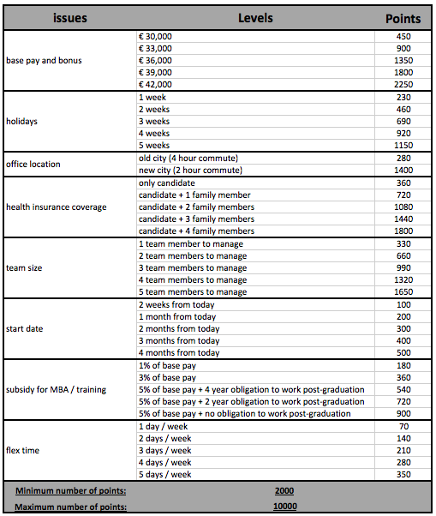
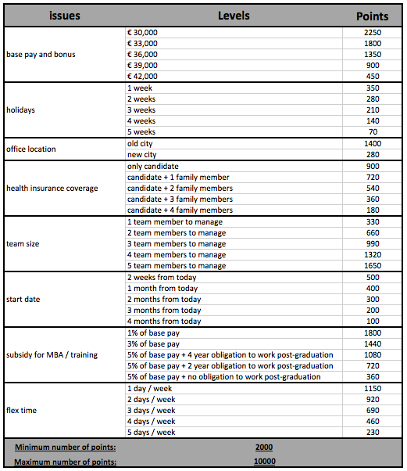
Issues | Levels | Recruiter | Candidate
Base pay and bonus | 30000 | 2250 | 450
Base pay and bonus | 33000 | 1800 | 900
Base pay and bonus | 36000 | 1350 | 1350
Base pay and bonus | 39000 | 900 | 1800
Base pay and bonus | 42000 | 450 | 2250
Holidays | 1 week | 350 | 230
Holidays | 2 weeks | 280 | 460
Holidays | 3 weeks | 210 | 690
Holidays | 4 weeks | 140 | 920
Holidays | 5 weeks | 70 | 1150
Office location | old city (4 hours commute) | 1400 | 280
Office location | new city (2 hour commute) | 280 | 1400
Health Insurance Coverage | only candidate | 900 | 360
Health Insurance Coverage | candidate + 1 family member | 720 | 720
Health Insurance Coverage | candidate + 2 family members | 540 | 1080
Health Insurance Coverage | candidate + 3 family members | 360 | 1440
Health Insurance Coverage | candidate + 4 family members | 180 | 1800
Team size | 1 team member to manage | 330 | 330
Team size | 2 team members to manage | 660 | 660
Team size | 3 team members to manage | 990 | 990
Team size | 4 team members to manage | 1320 | 1320
Team size | 5 team members to manage | 1650 | 1650
Start date | 2 weeks from today | 500 | 100
Start date | 1 month from today | 400 | 200
Start date | 2 months from today | 300 | 300
Start date | 3 months from today | 200 | 400
Start date | 4 months from today | 100 | 500
Subsidy for MBA/training | 1% of base pay | 1800 | 180
Subsidy for MBA/training | 3% of base pay | 1440 | 360
Subsidy for MBA/training | 5% of base pay + 4 year obligation to work post-graduation | 1080 | 540
Subsidy for MBA/training | 5% of base pay + 2 year obligation to work post-graduation | 720 | 720
Subsidy for MBA/training | 5% of base pay + no obligation to work post-graduation | 360 | 900
Flex time | 1 day / week | 1150 | 70
Flex time | 2 days / week | 920 | 140
Flex time | 3 days / week | 690 | 210
Flex time | 4 days / week | 460 | 280
Flex time | 5 days / week | 230 | 350

Minimum number of points |  | 2000 | 2000
Maximum number of points |  | 10000 | 10000

